Report
Test Case Report
Project Name - | Tenbea.com
Module Name - | User management |  |  |  |  | Total No. | Status | Result :
Test Case Version - | 1 |  |  |  |  | 18 | PASS
Written By | Md.Rafeed Talukder |  |  |  |  | 6 | FAIL
Executed By | Md.Rafeed Talukder |  |  |  |  | 0 | Not Executed | New Features | Testing Scope | Testing Environment :
Reviewed By | Sabbir vai |  |  |  |  | 0 | Out of Scope |  |  | Test Environment | Google Chrome Browser
TEST EXECUTION REPORT

Test Case Report
Test Case | PASS | FAIL | Not Executed | Out Of Scope | Total TC
 | 18 | 6 | 0 | 0 | 24
Grand Total | 18 | 6 | 0 | 0 | 24

LIMITATIONS
Documents |  |  |  | Received | Useful
PRD |  |  |  | No | No
USER STORY |  |  |  | No | No

 | Testing Type in Scope | Description

Yes/ No. Justification (If No): | Functional Testing | This type of testing ignores the internal parts and focuses only on the output to check if it is as per the requirement or not.

Yes/ No. Justification (If No): | Integration Testing | Testing of all integrated modules to verify the combined functionality after integration is termed as Integration Testing.

Yes/ No. Justification (If No): | Negative Testing | Testing having the mindset of “attitude to break” using incorrect data and invalid inputs.

Yes/ No. Justification (If No): | Usability Testing | Test application from user friendliness perspective.

Yes/ No. Justification (If No): | Browser Compatibility Testing | Browser Compatibility Testing is performed for web applications and it ensures that the software can run with the combination of different browser and operating system. This type of testing also validates whether web application runs on all versions of all browsers or not.

Yes/ No. Justification (If No): | Boundary Value Testing | There is an upper and lower boundary for each range and testing is performed on these boundary values.

Yes/ No. Justification (If No): | Risk Based Testing Or Regression Testing | Risk-Based Testing includes testing of highly critical functionality, which has the highest impact on business and in which the probability of failure is very high. Testing an application as a whole for the modification in any module or functionality is termed as Regression Testing.

MindMap
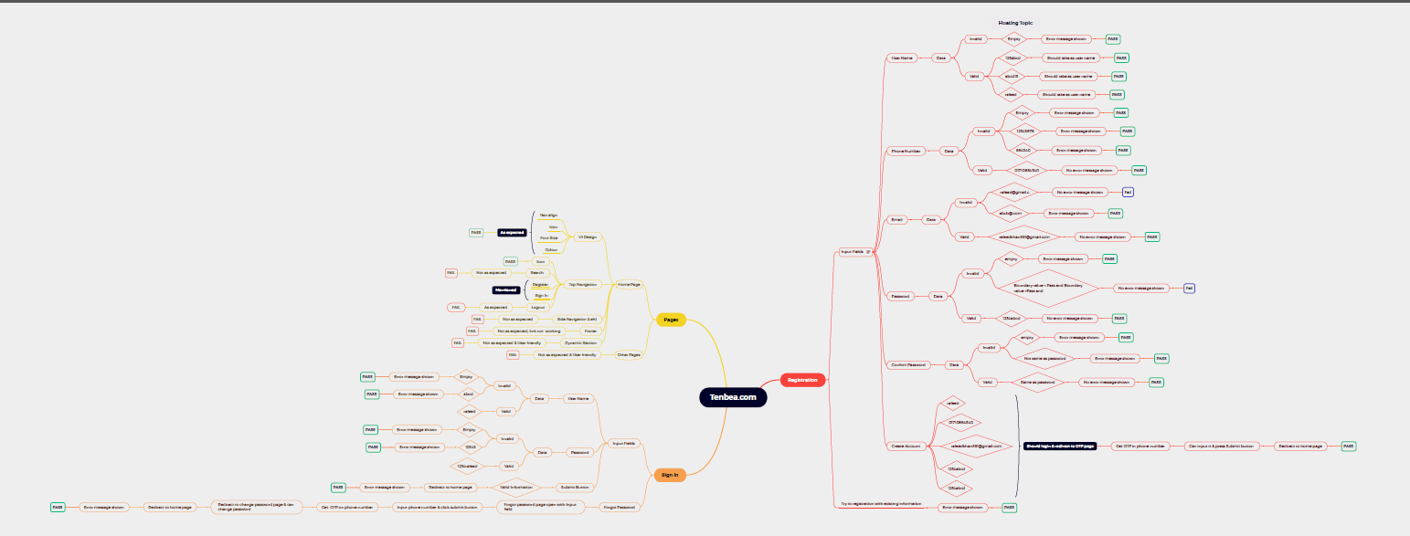

Bug Report1
Bug Report

Project Name - | Tenbea.com
Module Name - | User Management
Written By - | Rafeed
Executed By - | Rafeed
Reviewed By- | Sabbir vi

S.N : BR001 Test Case ID: TC006 Defect Description: Mandatory filed varification with * sign Steps to Reproduce: 1.Go to url with browser. 2.Click on register button->redirect to register page. 3.Check all mandary input fields have * sign 4.Without fillup any filed click on create account button Environment: QA Module: User Management Severity: P3 ScreenShots: Responsible QA: Rafeed

Required_SS001

S.N : BR002 Test Case ID: TC009 Defect Description: Unable to redurect to home page after login Steps to Reproduce: 1.Go to web site. 2. Create account Environment: QA Module: User Management Severity: P1 ScreenShots: Responsible QA: Rafeed

SS001

S.N : BR003 Test Case ID: TC014 Defect Description: Password verification with boundery value Steps to Reproduce: 1.Go to web site. 2.Enter less than boundery and more than boundery value Environment: QA Module: User Management Severity: P2 ScreenShots: Responsible QA: Rafeed

SS 002

S.N : BR004 Test Case ID : TC018 Defect Description : UI header text align Steps to Reproduce: 1.Go to web site. 2.Enter Sign In button Environment : QA Module : Sign In Severity : P2 ScreenShots : Responsible QA : Rafeed

UI SS003

